Cover
LGE Internal Use Only
LGE Internal Use Only

LGE VS [OEM NAME] [PROJECT NAME]

SW Test Result Report

Document Information
Issuing authority |  | VS OOO Team
Configuration ID |  | Configuration Item ID of CMBook
Status of document |  | In Progress / Approved / Released

Revision History
Version | Date | Comment | Author | Approver
#.# | YYYY-MM-DD | OOOOOOOO | OOO | OOO

Trend Report
PASS Rate Trend
 | 1 | 2 | 3 | 4 | 5 | 6 | 7 | 8 | 9 | 10 | 11 | 12
PASS Rate(%) | 95 | 98 | 99 | 85
 | PASS Rate(%)
1 | 95
2 | 98
3 | 99
4 | 85
5
6
7
8
9
10
11
12

Improvement Status
 | 1 | 2 | 3 | 4 | 5 | 6 | 7 | 8 | 9 | 10 | 11 | 12
Open (EA) | 9
Close (EA) | 20
 | Close (EA) | Open (EA)
1 | 20 | 9
2
3
4
5
6
7
8
9
10
11
12

Test Summary
IP6.1 Test Result(Test Case)
Passed
Failed
Blocked
Defect Severity
Critical
Major
Minor
Test information
Division | xxxxx
Project (Model) | xxxx
HW (PCB) version
SW version
MICOM version
Variant
OEM Delivery
Test Start (YY/MM/DD-HH:MM) | 18/06/11-13:00
Test End (YY/MM/DD-HH:MM) | 18/06/18-12:00
Related document version | SRS v1.6
Tester
Pass Rate | #DIV/0!
OK/NG | OK

Test Summary
 | Total | Tested | Passed | Failed | Blocked | Execution Rate | Pass Rate | Remark
Interface (Test Basis에 따라 요구사항/Interface 등이 될 수 있음) |  |  |  |  |  | #DIV/0! | #DIV/0! | Reason for Not Executed(Blocked) : Not Implemented - 3TCs Not Test - 2TCs (JLR UIP Required), 2TCs (Deprecated)
Implication

 | Total | Tested | Passed | Failed | Blocked | Execution Rate | Pass Rate | Remark
Test Case |  |  |  |  |  | #DIV/0! | #DIV/0! | Reason for Not Executed(Blocked) : Not Implemented - 3TCs Not Test - 2TCs (JLR UIP Required), 2TCs (Deprecated)

Defect Severity
 | Total | Critical | Major | Minor | Remark
Defect

Critical Defect List
No | TC ID | Component | Defects Description |  |  |  |  | Defect ID | Remark

Major Defect List
No | TC ID | Component | Defects Description |  |  |  |  | Defect ID | Remark

Test Environment
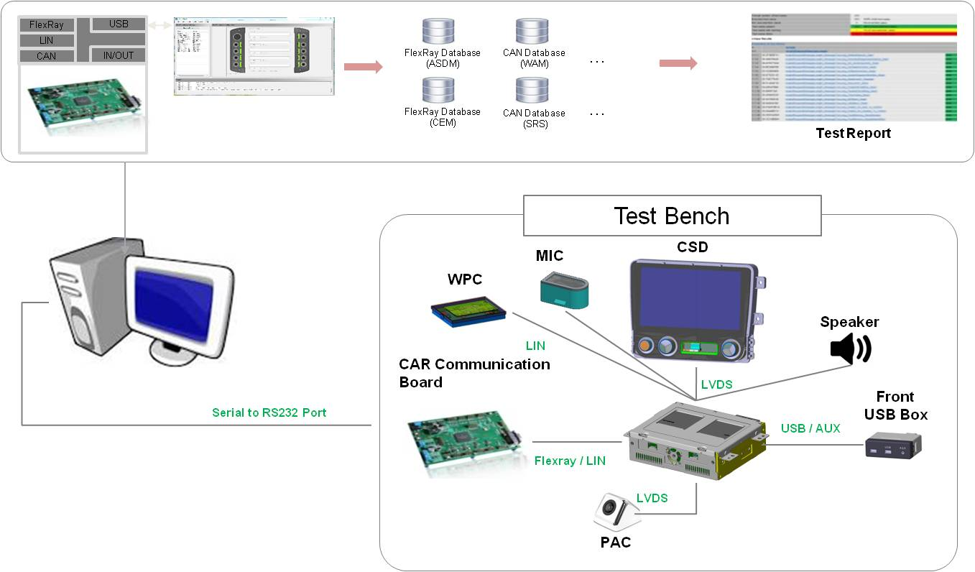
Test Environment
● Describe the test environment.
● If there is content defined in the plan document, it can be added by referring to the content.
● If there is a photo, you can add it as a photo.

[Example]

